Sheet2
Template Name |  | Customer Module Restaurent.
Goals & Objective |  | Goals - To digitize and streamline customer-related operations within the restaurant. - To enhance the customer experience by making it easier, faster, and more automated. - To develop a user-friendly and efficient module that supports the overall service management of the restaurant. Objectives: -To provide customers with an online table reservation and booking facility. -To enable real-time tracking of customer orders through an order tracking system. -To allow customers to view a digital menu and place orders based on their preferences. -To provide timely updates to customers regarding their order or reservation status via notifications. -To design an informative landing page that provides detailed insights about the restaurant.
Client Information
Product Type |  | Web Application
Domain |  | Web2
Access Layers |  | User, Miner
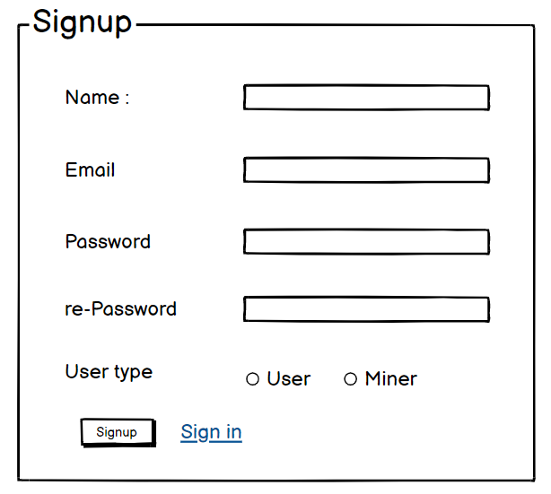
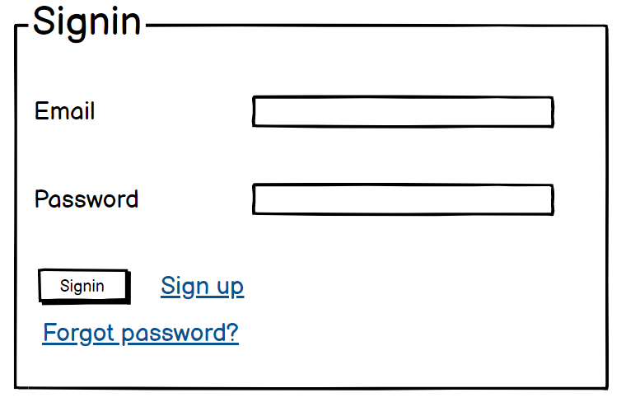
Design Required |  | Yes

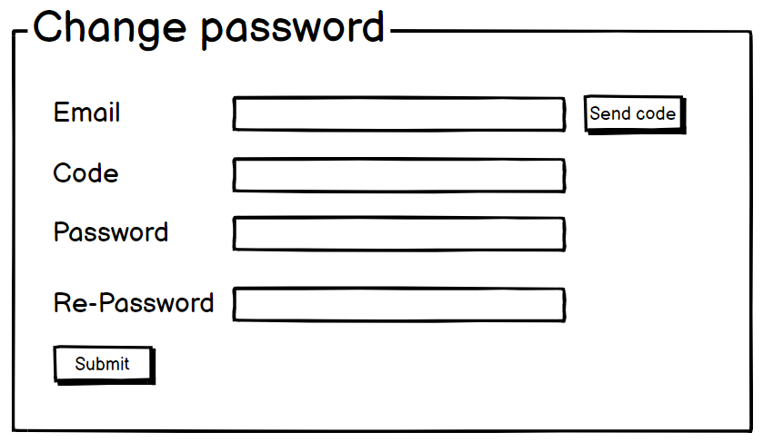
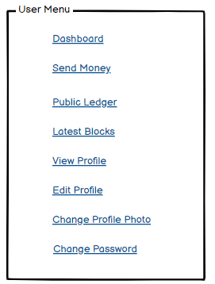
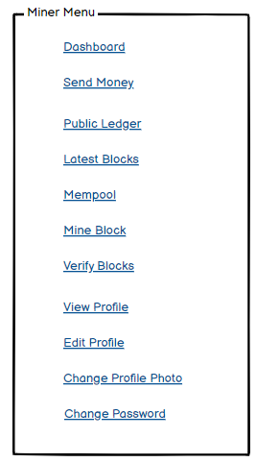
Feature: 2 |  | Dashboard
phase 1 | 4 | Menu [User] | Dashboard Send money Public Ledger Latest Blocks View Profile Edit Profile Change Profile Photo Change Password | - Dashboard(link) - Send money(link) - public ledger (link) - Latest Blocks (link) - View Profile(link) - Edit profile(link) - change profile photo(link) - change password(link) | - clicking dashboard will take user to dashboard page - go to send money page on click - go to public ledger on Click - go to Latest blocks page on click - go to view profile page on click - go to edit profile page on Click - go to change profile page on Click - go to change password page on Click | Menu
phase 1 | 5 | Menu[Miner] | <Unordered list> Dashboard Send money Public Ledger Latest Blocks Mempool Mine block Verify blocks View Profile Edit Profile Change Profile Photo Change Password | - Dashboard(link) - Send money(link) - public ledger(link) - Latest blocks(link) - Mempool(link) - Mine Blocks(link) - Verify Blocks(link) - View Profile(link) - Edit profile(link) - change profile photo(link) - change password(link) | - clicking dashboard will take user to dashboard page - go to send money page on click - go to public ledger on Click - go to Latest blocks page on click - go to mempool page on click - go to mine blocks page on click - go to verify blocks page on click - go to view profile page on click - go to edit profile page on Click - go to change profile page on Click - go to change password page on Click
phase 1 | 6 | Dashboard [Miner] [User] | <table> Balance : 100.23 BTC View transaction history (link) Your public key Your private key Your bitcoin address | - Balance (text) - trx history(link) - public key (text) - private key(text) - bitcoin address(text) | 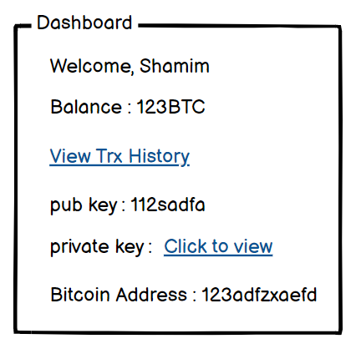 - show appropiate Balance ( should not be less than 0) - clicking trx history link will take user to trx history page - public key is shown - private key is only shown when clicked - bitcoin address is shown

PRD
Product Requirement Document (PRD) - Version: 1.0

Template Name |  | Customer Module Restaurent.
Goals & Objective |  | Goals: -To digitize and streamline customer-related operations within the restaurant. - To enhance the customer experience by making it easier, faster, and more automated. - To develop a user-friendly and efficient module that supports the overall service management of the restaurant. Objectives: -To provide customers with an online table reservation and booking facility. - To enable real-time tracking of customer orders through an order tracking system. - To allow customers to view a digital menu and place orders based on their preferences. - To provide timely updates to customers regarding their order or reservation status via notifications. - To design an informative landing page that provides detailed insights about the restaurant.
Client Information |  | Module: Customer Platform: Web (Responsive)
Product Type |  | Web Application
Domain |  | Restaurant Management System
Access Layers |  | customer
Design Required |  | Yes

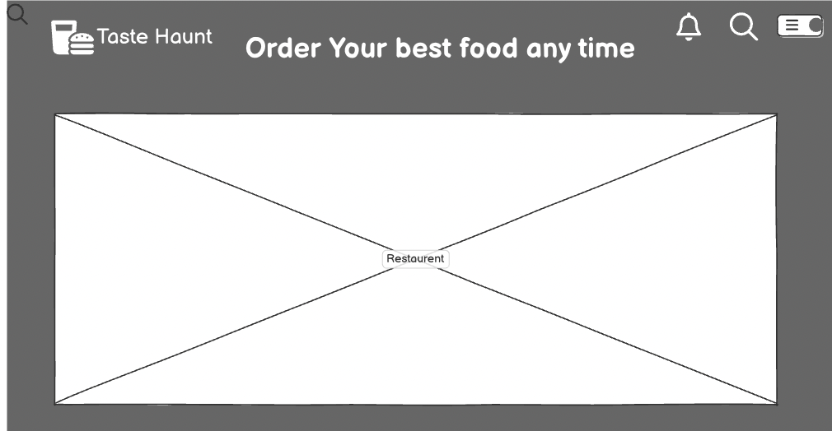
Phase | Item No | Specification [Role] | Screen Definition | User Story | Acceptance Criteria | UI Screen / Wireframe | Tags
Feature: 1 |  | Landing page
phase 1 | 1 | Top bar | Logo Nav Menu Search Profile icon Notification | - User sees - restaurant logo - can access menu - search & profile section | - Logo redirects to home - search is functional - profile & notification icons visible
phase 1 | 2 | Hero section | <section class="hero"> <img src="hero-dish.jpg" alt="Delicious Food" /> <div class="hero-cta"> <button>Food Now</button> <p>Hungry? Let’s Fix that</p> <button>Menu</button> </div> </section> | - User is greeted with food image and can view menu or explore food | - Banner loads correctly - CTA buttons are clickable -leads to food menu section
phase 1 | 3 | Offer Section | <section class="offers"> <h2>Offer</h2> <div class="offer-cards"> <img src="offer1.jpg" alt="Offer 1" /> <img src="offer2.jpg" alt="Offer 2" /> <img src="offer3.jpg" alt="Offer 3" /> </div> </section> | User views current - food - offers - promotions | - Cards show offer title - Cards show discount % - iCards show F19Display user name, image, star rating, and text; real feedback with datemage - clickable cards redirect to details page
phase 1 | 4 | Top Categories | <section class="categories"> <h2>Top Categories</h2> <div class="category-grid"> <div class="category-item">FOOD <img src="food.jpg" /></div> <div class="category-item">SALAD <img src="salad.jpg" /></div> <div class="category-item">DRINK <img src="drink.jpg" /></div> </div> </section> | - User clicks category to filter menu by food type | Cards must be responsive; onClick, navigate or scroll to filtered food category | 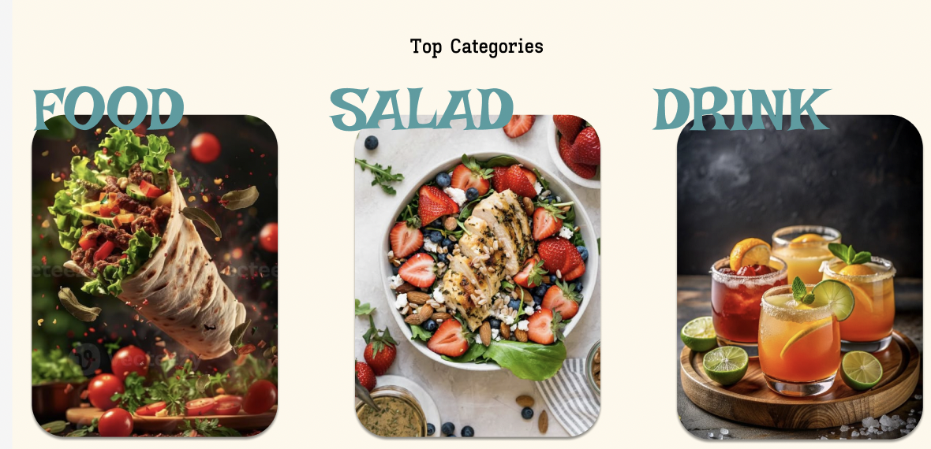
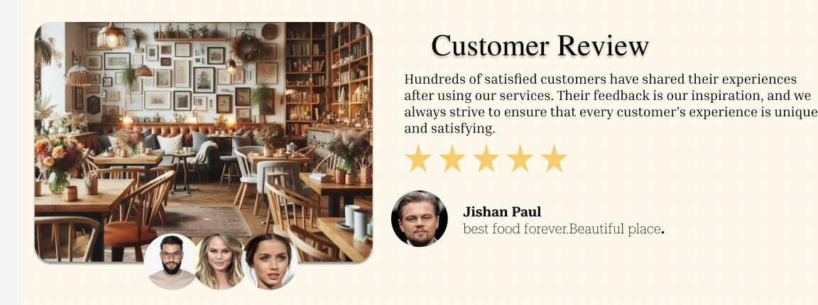
phase 1 | 5 | Quick Actions | Table Reservation icons/buttons Order Tracking icons/buttons | - User clicks to reserve table - User clicks to track current order | -Buttons must work - Reservation opens booking form - Order tracking shows order status
phase 1 | 6 | Customer Reviews | Section with 5-star ratings customer text, images | User reads reviews to trust the service | - Display user name - Display image, star rating, and text - real feedback with date
phase 1 | 7 | Restaurant View | Beautiful restaurant photo full-width | - User visually connects to restaurant ambiance | - High-resolution image - caption: “Beautiful Restaurant View” | 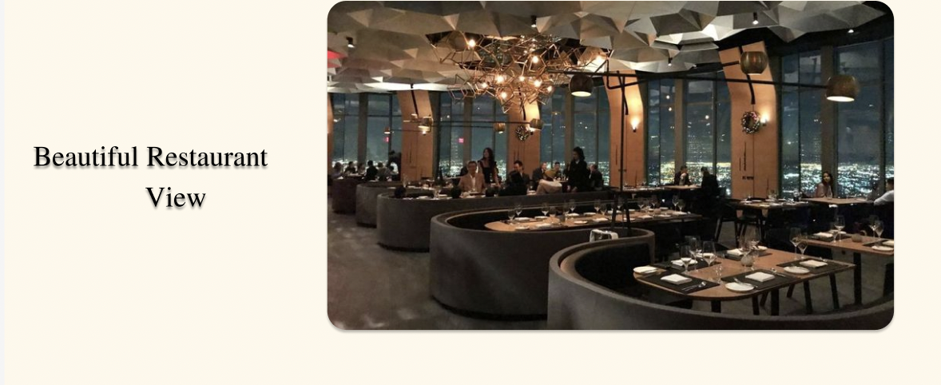
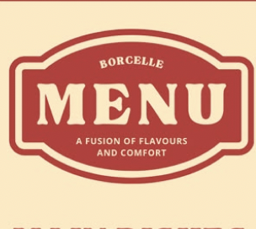
phase 1 | 8 | Footer | Menu links social icons brand slogan | - User sees navigation links & social media | - Footer links should work - social icons redirect to proper channels - brand slogan shown (“I’m lovin’ it”) | 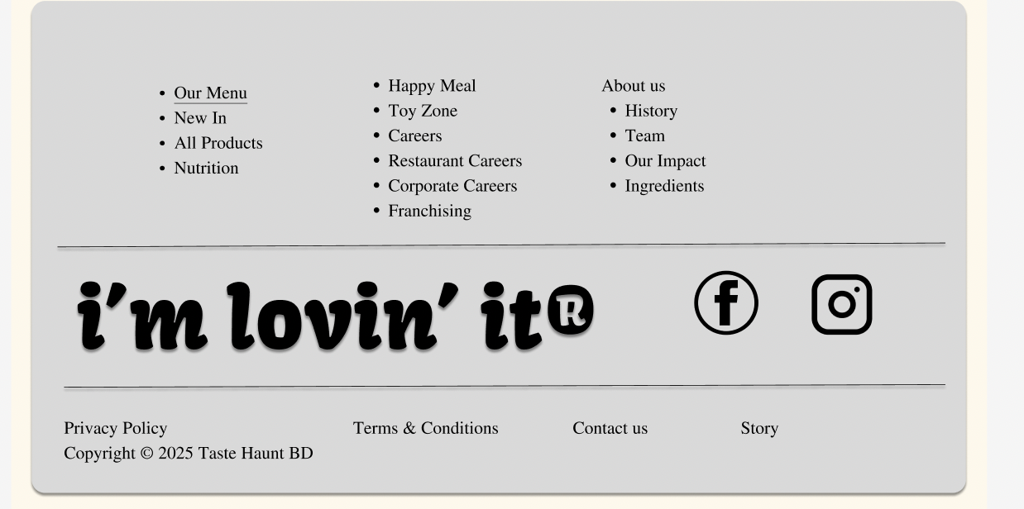
Feature: 2 |  | menu
phase 2 | 9 | Menu Layout | 3-column structured layout (Appetizers, Mains, Desserts) | - As a user, I want a clear layout to easily explore menu sections and make decisions quickly | - Menu is divided into categories with consistent styling and proper spacing.
phase 2 | 10 | Food Category: Appetizers | <div class="menu-column"> <h2>Appetizers</h2> <ul> <li>Bruschetta - $10</li> <li>Garlic Parmesan Fries - $12</li> <li>Stuffed Mushrooms - $10</li> </ul> <h3>Opening Hours</h3> <p>Mon - Sun: 10 AM - 10 PM</p> </div> | - As a user, I want to browse starter items to begin my order | - Each item must have a name, short description, and price clearly listed | 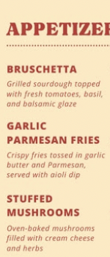
phase 2 | 11 | Food Category: Main Dishes | <div class="menu-column"> <h2>Main Dishes</h2> <ul> <li>Sunny Special Burger - $10</li> <li>Classic Chicken Caesar Wrap - $9</li> <li>Spaghetti Aglio e Olio - $10</li> <li>Grilled Salmon & Veggies - $12</li> </ul> <h3>Desserts</h3> <ul> <li>Chocolate Lava Cake - $7</li> <li>Classic Cheesecake - $6</li> </ul> </div> | - As a user, I want to choose from a variety of main courses | - Menu must support multiple entries - popular items may be highlighted | 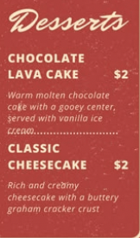
phase 2 | 12 | Food Category: Desserts | Classic Cheesecake, Chocolate Lava Cake | - As a user, I want sweet endings to my meal, shown with price | - Proper spacing and dessert section must be clearly separated
phase 2 | 18 | Add to Cart Action | dynamic menu | - As a logged-in user, I want to click on any item to add to my cart | - Clicking menu item will open a modal or directly add item to cart with confirmation

